Index
 |  | Web Application Security Assessment - J&K Bank

VULNERABILITY DISTRIBUTION FOR WEB APPLICATION SECURITY ASSESSMENT

Report Name | Web Application Security Assessment
Application | Rewards JKB
Consultant | Podili Shekhar
Review by | Bhupendra Singh Sisodiya
Client Name | J&K Bank
Scope | Click here
Activity Duration | 06th Feb - 09th Feb 2026

Severity | Vulnerability Count
High | 0
Medium | 0
Low | 1
Total | 1
 |  |  | Domain | Initial Observation Submission Date | Application | High | Medium | Low | Total
 |  |  | Web Application Security Assessment | 09th February 2026 | https://rewards.jkb.bank.in/ | 0 | 0 | 1 | 1

POCs
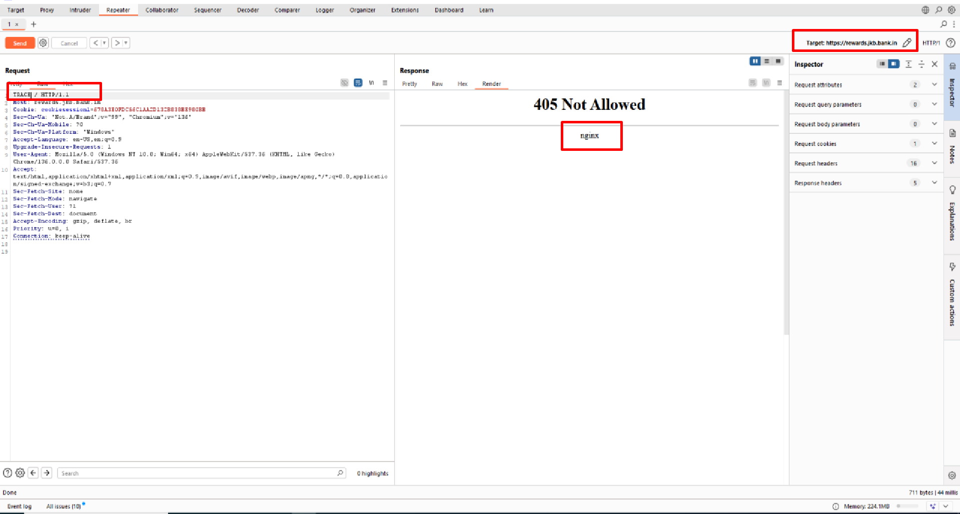
S. No. | Severity | Vulnerability
1 | Low | Information disclosure
Step 1: During the security assessment, an HTTP request was intercepted using an intercepting proxy and intentionally modified by changing the request method to an invalid or unsupported value. When the altered request was forwarded to the server, the application returned an error response. Analysis of the error page and HTTP response headers revealed that information of server using ngnix was disclosed, indicating that the application exposes underlying technology details when error conditions are triggered.

